Dashboard
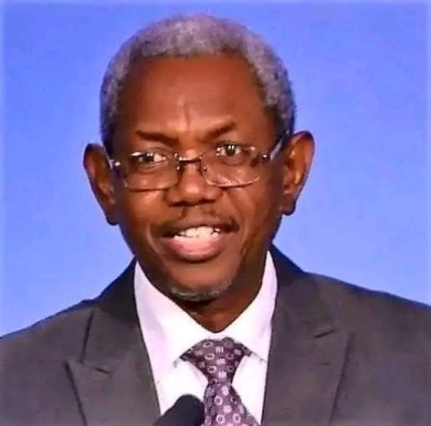
 | Total
Gbile Akanni | 6
 | Total
Hard Copy | 24
Soft Copy | 3
 | Total
100 Bible Lessons | 5
Go Not The Way Of Balaam | 5
He Leads Me | 5
In His Steps | 5
Power Through Prayer | 5
The Spiritual Man (Vol One) | 5
Why Revival Tarries | 5
 | Total
Borrowed | 11
Owned | 16
# of Pages
Top 6 Rated Books
Owned vs Borrowed
Top 6 Months By Read
Hard vs Soft Copy
Most Read Author
# of Books
# of Books
Personal Book Reading Insights (Dec 2024 - Sept 2025)
4,392
27

 | Total
Mar-25 | 3
Jun-25 | 3
Dec-24 | 3
Oct-25 | 3
Sept-25 | 3
Jan-25 | 4

